Sheet1
 | 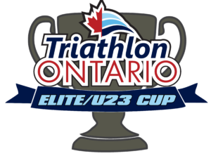
Triathlon Ontario Elite/U23 Cup

 | Female
Place | Name | Club | National Championships |  | Toronto Triathlon Festival |  | Provincial Championships |  | Total
 |  |  | Place | Points | Place | Points | Place | Points
1st | Ava Snyder | Fighting Koalas/Hammerheads | 1st | 25 | N/A | 0 | 1st | 30 | 55
2nd | Mackenzie Damiano | N/A | N/A | 0 | 3rd | 19 | 2nd | 25 | 44
3rd | Jordyn Bandstra | N/A | N/A | 0 | N/A | 0 | 3rd | 24 | 24
4th | Chloe Ranahan | N/A | N/A | 0 | N/A | 0 | 4th | 23 | 23
5th | Megan Richer | Royal City Mulisport | N/A | 0 | N/A | 0 | 5th | 22 | 22

Male
Place | Name | Club | National Championships |  | Toronto Triathlon Festival |  | Provincial Championships |  | Total
 |  |  | Place | Points | Place | Points | Place | Points
1st | Brett Saunders | N/A | 5th | 17 | 1st | 25 | 1st | 30 | 55
2nd | Jessey The Elf | N/A | N/A | 0 | 3rd | 19 | 2nd | 25 | 44
3rd | Blaise Uglow | LPC | 4th | 18 | 4th | 18 | N/A | 0 | 36
4th | Liam Donelly | N/A | 1st | 25 | N/A | 0 | N/A | 0 | 25
5th | Jarod Medd | LPC | N/A | 0 | N/A | 0 | 3rd | 24 | 24
6th | Jacob Chinyaradzo | N/A | N/A | 0 | N/A | 0 | 4th | 23 | 23
7th | Andrew Taylor | N/A | N/A | 0 | N/A | 0 | 5th | 22 | 22
8th | Tristen Jones | N/A | 2nd | 20 | N/A | 0 | N/A | 0 | 20
 | Josh Bird | Team Ontario | N/A | 0 | 2nd | 20 | N/A | 0 | 20
10th | Lukas Vadeika | N/A | 3rd | 19 | N/A | 0 | N/A | 0 | 19

